Basic Financial Plan Form
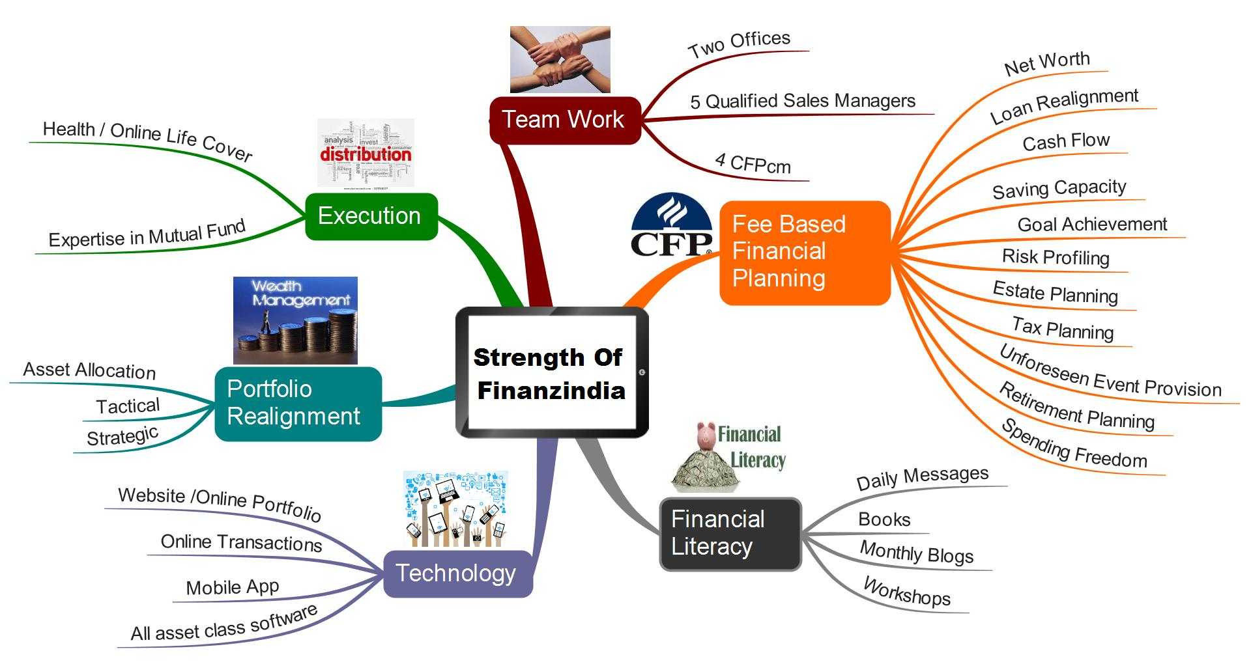
Contact us
Tel no: 0253-2343938
Email: servicesfinzplan@gmail.com
Web: www.finanzindia.com
Nashik, Maharashtra, India

Financial Planning Form
Name: |  |  | DOB:
Address:
Email: |  | Contact:
Family Details
Sr. No. | Name | Age/DOB | Relationship
1
2
3
4
5
6

Income Expenditure Statement
Sr. No. | Family Income | Annual Amount | Monthly Amount
1 | Husband's Income
2 | Wife's Income
3 | Rental Income
4 | Investment Income
5 | Other Incomes

Sr.No. | Family Expenses | Annual Amount | Monthly Amount
1 | Household Expenses
2 | Life Style Expenses
3 | Dependent Expenses (Parents/Children)
4 | Insurance Premiums (Life/Medical/Vehicle)
5 | Loan EMIs (Home/Car)
6 | Ongoing Investments (SIP/RD/FD)

Assets Liabilities Statement
Sr. No. | Assets | Current Value
1 | Savings Bank Balance
2 | Fixed Deposits
3 | EPF / PPF Balance
4 | NSC / POMIS / KVP / RDs etc
5 | Insurance Policies Current Value - Traditional
 | - ULIP
6 | Bonds/Debentures/CDs
7 | Mutual Funds
8 | Gold ETFs
9 | Direct Equity
10 | House where Residing
11 | Real Estate Investments

Sr. No. | Liabilities | Current Outstanding
1 | Home Loan
2 | Car Loan
3 | Personal Loan
4 | Other Loans

Responsibilities and dreams - Fill whichever applicable
S.No | Responsibilities | Amount needed in Today's value | Time Horizon
1 | Emergency Funding
2 | Retirement Corpus
3 | House Purchase
4 | Children’s Education - Son/Daughter 1
 | Son/Daughter 2
5 | Children’s Marriage - Son/Daughter 1
 | Son/Daughter 2
6 | Child-birth Expenses
7 | Parents Medical Fund
8 | Loan Prepayment
9 | Self-Higher Education

S.No | Dreams | Amount needed in Today's value | Frequency/ Time Horizon
1 | Vacation - Recurring
2 | International Vacations
3 | Car Purchase
4 | New Venture Start Up
5 | Son/Daughter Setup
6 | Home Renovation
7 | Holiday Home
8 | Family Gifting
9 | Club Memberships
10 | Learn a Hobby
11 | Charity

Insurance
1 | Total Life Cover
2 | Total Premium
3 | Term period of Policy

Mediclaim / Health Insurance
1 | Name of Policy
2 | Type of Policy
3 | Sum Insured
4 | Premium amount

The Three Questions
Contact us
Tel no: 0253-2343938
Email: servicesfinzplan@gmail.com
Web: www.finanzindia.com
Nashik, Maharashtra, India

Your Life's Relationship with Money
Kindly answer these 3 questions which will help you explore your underlying values, hopes and dreams.
S. No. | The Three Questions
1 | Imagine that you have enough money to take care of your needs, now and in the future. How would you live your life? Would you change anything?

2 | Imagine your doctor says you have only 5-10 years to live. You won’t feel sick, but you’ll never know when death will come. What will you do? Will you change your life? How?

3 | Now imagine that your doctor says you have only one day left to live. Ask yourself: What did I miss? What did I not get to be or do?

* Ideally fill this before meeting the financial planner for data gathering meeting

